Лист1
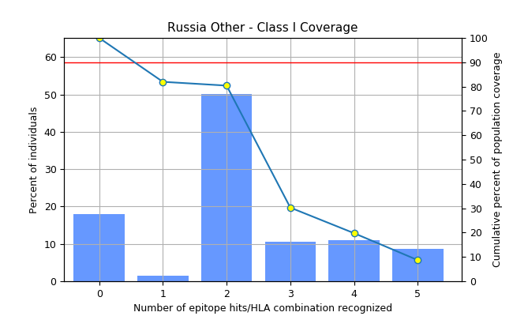
Population: Russia Other
MHC class | Сoverage | Average hit | PC90
I | 81.96% | 2.21 | 0.55

